TVR specific data
ALL TIMES MILITARY, include NA when times are not known or unclear | Hours:Minutes:Seconds 00:00:00

Term | Variable form | Definition
Pre-arrival/face sheet for video
What was the trigger for review at your institution? | Categorical: Research, QI/PI, Education, coaching, other | If other, text box for more details
Was the camera on and running when the patient arrived in the bay? | Categorical: yes/no | Defined as video recording before first view of patient/stretcher on main screen - if yes, then patient arrival time will equal view of first stretcher; if no, then patient arrival will equal video start time
Was a pre-arrival briefing performed? | Categorical: Yes/No/ unable to be determined | Per institutional standard. N/A if video recording started after patient arrival
Pre-hospital/Patient Handoff
Patient arrival (time zero for all time to event analyses) | Numeric (time) | First view of patient or stretcher on main video screen in trauma bay, record as time of day; time zero for any calculations thereafter
Hand-off start time | Numeric (time) | When EMS starts speaking, record as time of day, will allow software to calculate difference btween arrival and start of hand over
Hand-off end time | Numeric (time) | When EMS completes hand-off tool, or if tool not complete, when EMS stops speaking, record as time of day
Did any information have to be repeated? | categorical (yes/no) | EMS team is asked to state information that was already given
Was there an interruption in communication at any point during handoff? | categorical (yes/no) | e.g. EMS team cut off, questions interjected, information asked for again, etc
Time of patient transfer | Numeric (time) | Time patient is on the trauma stretcher, record as time of day
Did patient arrive with prehospital access | yes/no | if pt arrived with some sort of vascular access (IO/IV)
Was pre-hospital access functional? | yes/no | Working flushed IV per EMS
Was pre-hospital access being used? | yes/no | Fluids/blood running
Resuscitation Period
Time primary started | Numeric (time) | First time any part of primary survey is vocalized, record as time of day, e.g. "airway intact"
What parts of the primary survey were completed? | check boxes (ABCDE) | Based on vocalization, e.g. "airway intact, bilateral breathe sounds, bilateral DP pulses", etc
Time primary complete (once all boxes above complete) | Numeric (time) | Completion of primary will depend on blunt vs penetrating mechansim, in blunt mechanism completion of primary includes airway, breathing, circulatory, disability, and signs of anterior external injury, does not include log roll. In penetrating injury includes all the same as blunt injury, however ALSO includes exam of the back, record as time of day
Was the patient rolled? | yes/no | Log roll of patient to complete exposure
Time of first set of vitals | Numeric (time) | At a minimum time to first HR and BP measured within trauma bay
Anatomic locations for which cavitary triaged was indicated | yes/no check boxes (thorax, abdomen, pelvis, etc) | Was cavitary triage indicated?
Anatomic locations for which cavitary triaged was indicated performed | yes/no check boxes (thorax, abdomen, pelvis, etc) | Was appropriate cavitary triage completed?
Unprotected airway | Categorical: Yes/no/present but not identified by team | Examples of an unprotected airway includes cases in which a patient's LOC is too low to protect their airway, there is significant facial or oral trauma for the treating team to consider the airway unprotected, there is a foreign body obstructing the airway, or there is significant blood in the oral cavity causing the team to consider the airway unprotected
Hemo or pneumothorax | Categorical: Yes/no/present but not identified by team | For a hemo or pneumo to be considered relevant on the primary survey must be of large enough size to require intervention
Significant external hemorrhage | Categorical: Yes/no/present but not identified by team | Ongoing external hemorrhage more than simple venous oozing
Unstable pelvis | Categorical: Yes(and identfied)/no/present but not identified by team | Includes open book, lateral compression, or butterfly fragment (bilateral superion and inferior pubic rami fractures)
Time to FIRST IV start attempt | Numeric (time) | Time FIRST INTRAVASCULAR ACCCESS (IO/IV/CVC) ANY TYPE, defined as needle on skin if able; if patient arrived with pre-hospital access, this will be autofilled as time of arrival
Access type? | Categorical: IV/IO/CVC | if CVC is first attempt, will also autopopulate in procedures module
Time to ACCESS Completion. | Numeric (time) | time to flush, or blood drawn back on ANY attempt (e.g. if multiple points of access are being attempted simultaneously, first completion)
FAST | Categorical: Yes/no | If a FAST was performed
FAST result | Caterogical: Positive abdomen, positive heart, positive both, negative, indeterminate, incomplete | The results stated by the team in the trauma bay, if only part of the FAST is done and no positive finding reported mark as incomplete
Time FAST started | Numeric (time) | Time US probe first touches the patient, record as time of day
Time FAST finished | Numeric (time) | Time all views obtained or individual duing FAST reports they are done (i.e., decides indeterminate and completes exam), record as time of day
Time to first X-RAY | Numeric (time) | defined as when the boom/machine is over the patient
Any episode of hypotension? | Categorical: Yes/No/Prehospital | including if patient arrives hypotensive
Time of first episode of hypotension | Numeric (time) | will display only if patient hypotensive = yes in redcap; if prehospital hypotensive will autopopulate as time of arrival, otherwise record as time of day
Temperature measured - Categorical | Categories: Yes/no | Was the patient's temperature checked in the trauma bay
Temperature measured - time | Numeric (time) | Time at which a temperature is obtained, record as time of day
PROCEDURES (add/delete prn) |  | All procedures will be displayed as categorical yes/no; subsequent fields will only show if procedure = yes, include minimum start and stops for each procedure
Time to decision made to perform procedure/intervention (same defintion for all elements) | Numeric (time) | Time that individual leading the resuscitation verbalizes that a procedure/intervention should be performed if decision not verbalized then use procedure start time, record as time of day
Was MTP activated pre-arrival? | categorical (yes/no/na) | was MTP activated prior to arrival; N/A if MTP never activated
Massive transfusion activated - Start time | Numeric (time) | Time at which the team activates the protocol (i.e., the phone call or page is made), record as time of day MAY BE PRIOR TO PATIENT ARRIVAL
Blood transfusion - start time | Numeric (time) | Time at which the first unit of blood is visable in the blood tubing
TXA - categorical | Categorical: Yes/no/given pre-hospital | Yes means TXA was administered; pre-hospital if EMS providers started first dose
TXA - start time | Numeric (time) | Time TXA is hung/pushed, record as time of day; n/a if prehospital
Calcium administered as MTP adjunct - Categorical | Categories: Yes/no | Yes - calcium was ordered during a massive transfusion
Caclium administered as part of MTP - time | Numeric (time) | Time calcium is hung/pushed, record as time of day
Intubation - start time | Numeric (time) | When laryngoscope (or bronch if fibreoptic approach) inserted into mouth, record as time of day
Intubation - completion | Numeric (time) | ETT confirmed to be in place by treating team and first breath delivered via BVM/vent, record as time of day
Was hypotension observed post-intubation? | Categorical: Yes/no | Yes if hypotension observed after intubation (intention to capture any intubation-related hypotension)
Cric - start time | Numeric (time) | Time of skin incision, record as time of day
Cric - completion | Numeric (time) | Cric confirmed to be in place by treating team and first breath delivered via BVM/vent, record as time of day
Central line - start time | Numeric (time) | Time of needle on skin, record as time of day. IF this is also first vascular access attempt, will autopopulate
Central line - completion time | Numeric (time) | Time to flush, or blood drawn back, record as time of day
Finger thoracostomy - start time | Numeric (time) | Time of skin incision only record as finger thoracostomy if team states they are performing a finger thoracostomy or the chest is decompressed and a chest tube is not inserted, record as time of day
Finger thoracostomy - completion | Numeric (time) | Time finger confirmed in chest, record as time of day
Finger thoracostomy followed by chest tube | Categorical: yes/no | At any point during the resuscitation after completion of the finger thoracostomy was a chest tube inserted
Chest tube - start time | Numeric (time) | Time of skin incision, record as time of day (Can have multiple recurrences)
Chest tube - completion | Numeric (time) | Time chest tube sutured in place, record as time of day
Chest tube procedure completed | Categorical: yes/partial/abandoned | Yes - means tube sutured in place and fully dressed, partial is tube is in place but not all parts of securing are complete (i.e., not sutured, not dressed), abandoned means the chest tube is not inserted into the chest and the procedure is stopped
Pelvic binder - start time | Numeric (time) | Time sheet/binder started to be slid under patient, if started with binder on bed, time that binder started to be wrapped around patient, record as time of day
Pelvic binder - completion | Numeric (time) | Time sheet/binder is secured around the patient's pelvis, record as time of day
Reductions - start time | Numeric (time) | Time traction is started, record as time of day
Reductions - completion | Numeric (time) | Time reduction is splinted and ortho (or other health care provider) no longer needs to be physically holding traction, record as time of day
REBOA - start time | Numeric (time) | Time needle in inserted into skin, record as time of day
REBOA - completion | Numeric (time) | Time balloon is inflated
CPR - performed | categorical (pre-hospital, in bay, no) | was CPR initiated at any point
CPR start time/initiation | Numeric (time) | if prehospital - will autopopulate time of arrival or n/a; if in trauma bay, record as time of day
ROSC | Categorical: yes/no | if ROSC is obtained
ROSC time | Numeric (time) | Time of ROSC or if no ROSC time resuscitation efforts stopped, record as time of day
Thoracotomy - start time | Numeric (time) | Time of skin incision, record as time of day
Thoracotomy - completion | Numeric (time) | Time heart is delivered from pericardium, or if decision made to not deliver heart time that heart is inspected
End of resuscitation | Numeric (time) | Time trauma leader indicates the patient is ready to leave the trauma bay, record as time of day; if not explicitly stated then determined by reviewer
Disposition | Categorical | OR, IR, ICU, morgue, to CT, to ED
Time of departure | Numeric (time) | Time in which pt moves to next phase of care defined as last view of patient in the trauma bay, or if deceased, TOD
NOTECHS metrics | numeric (NOTECHS scale) | including subsets
Leadership | Numeric (1 - 3) | 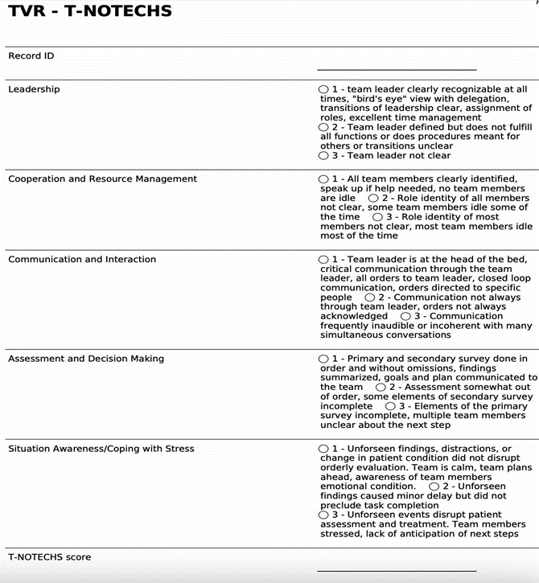
Cooperation/Resource Management | Numeric (1 - 3)
Communication/Interactions | Numeric (1 - 3)
Assessment/Decision Making | Numeric (1 - 3)
Situational Awareness/Coping with Stress | Numeric (1 - 3)
FREE TEXT BOX
Calculated outcomes |  | these are outcomes calculated after the fact from data collection, do not manually calculate these from videos
Time to the next phase of care | calculated - numeric | calculated from Time of Departure - End of resuscitation
Handoff length | calculated - numeric | calculated from (Hand-off end time) - (Hand-off start time)
Time to first set of vitals | calculated - numeric | calculated from (time of first vitals) - (time patient arrival)
Time to IV access | calculated - numeric | calculated from (time to access completion) - (time patient arrival)
Time to blood | calculated - numeric | calculated from (blood transfusion start) - (time patient arrival); or? (blood transfusion start) - (time patient hypotensive)
Time to first procedure (if any above procedures specifically, chest tube, CVC, etc) | calculated - numeric | calculated from (time first call out for procedure) - (time patient arrival)
Time to first intervention (if any of above procedures are done including blood transfusion, medication, etc, calculate as earliest) | calculated - numeric | calcualted from (time first call out of any above procedure) - (time patient arrival)
Resuscitation time | calculated - numeric | calculated from (end of resuscitation) - (time patient arrival)
Patient trauma bay time | calculated - numeric | calculated from (time of departure) - (time patient arrival)
CPR duration | calculated - numeric | calculated from (time of ROSC) - (CPR initiation)

